SAMD5xx
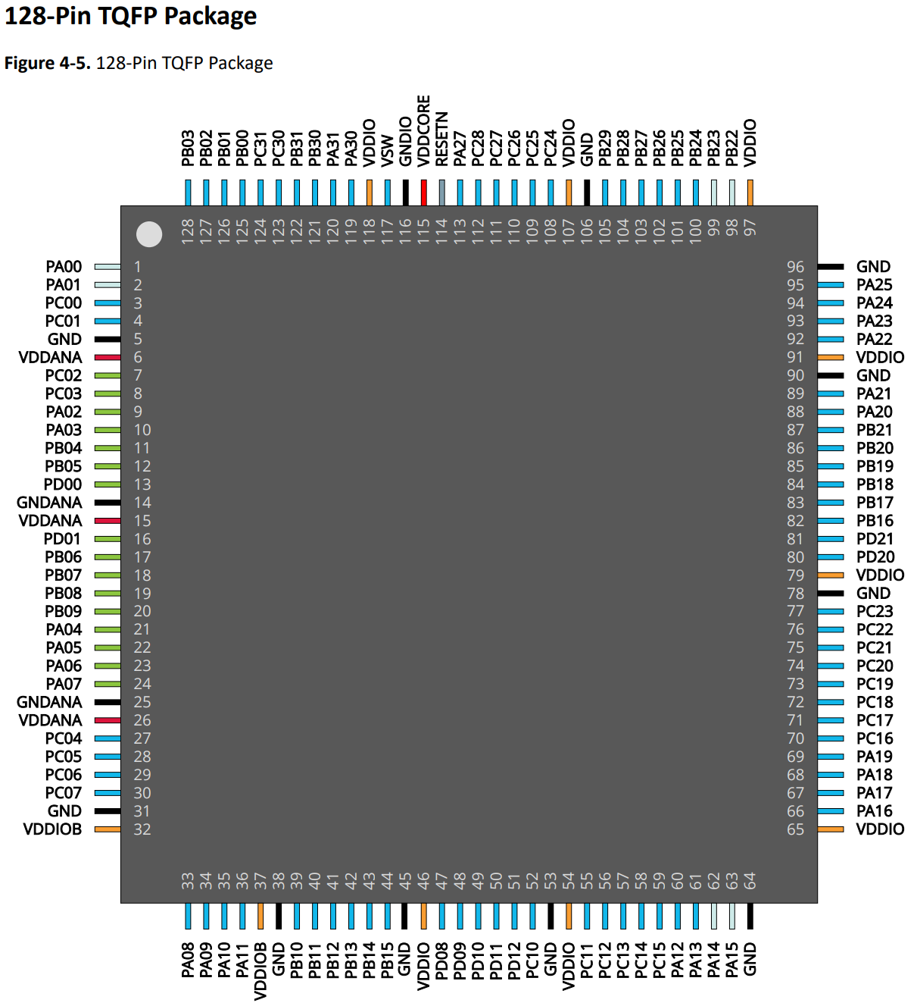
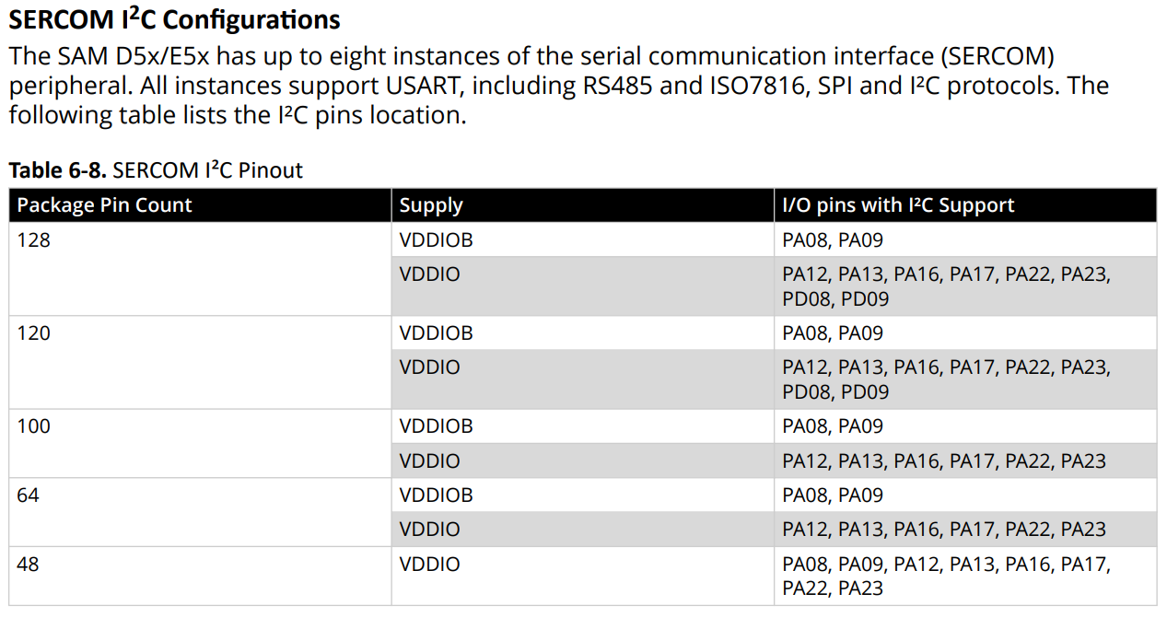
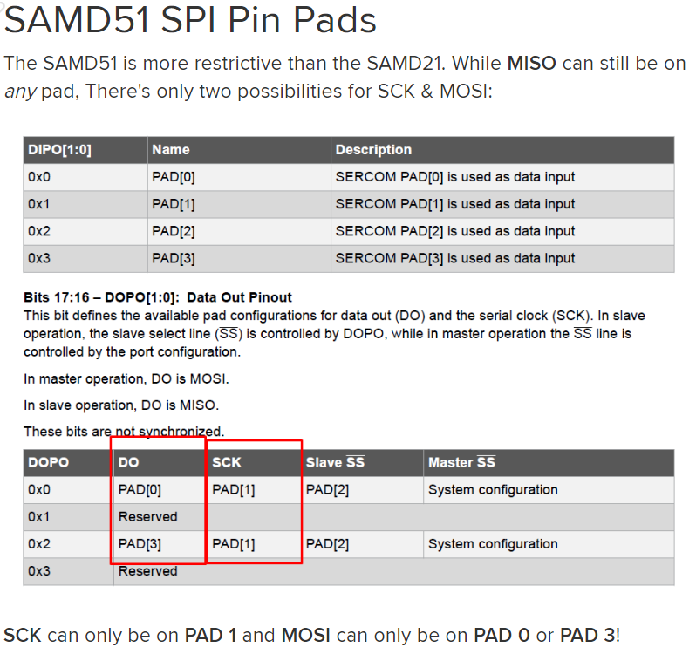
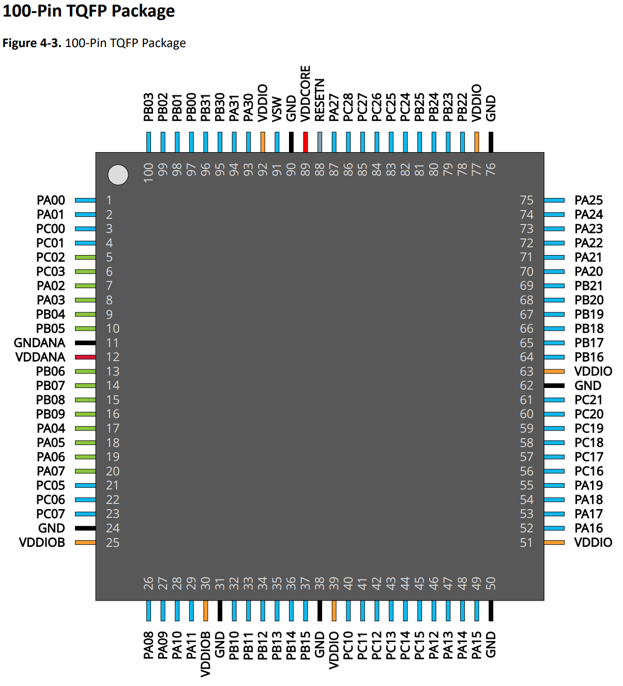
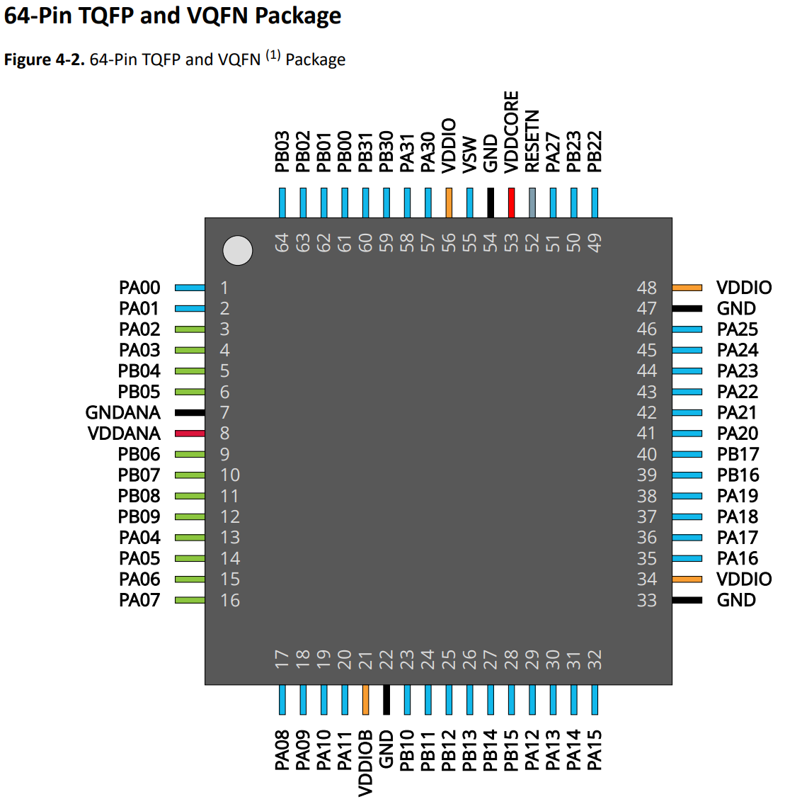
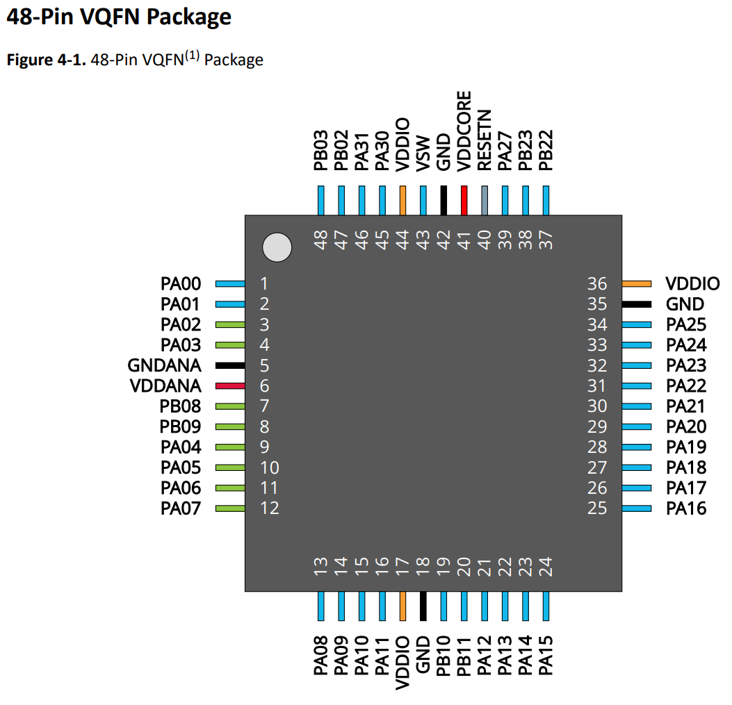
SAMD/E5x Pin Multiplex Table
Datasheet: | SAM-D5x-E5x-Family-Data-Sheet-DS60001507.pdf
Application |  |  |  | Variant |  | I/O Pin |  | A | B |  |  |  |  |  | C | D | E | F | G | H | I | J | K | L | M | N | Arduino Framework Code
Pin Name | Function | Pin mode | Pin init state | Arduino Pin | TQFP 100 SAMD5xN | Port Pin | Type | EIC | REF | ADC0 | ADC1 | AC | DAC | PTC | SERCOM | SERCOM-ALT | TC | TCC | TCC, PDEC | QSPI, CAN1, USB | SDHC, CAN0 | I2S | PCC | GMAC | GCLK, AC | CCL | Pin #defines | Pinmode() | digitalWrite() | Pin names (ATSAMD51N) | Port Pin | Peripheral
GPIO_0 |  | Input |  | 0 | 97 | PB00 | I/O | EXTINT.0 |  | AIN.12 |  |  |  | X/Y.30 |  | SERCOM5.2 |  |  |  |  |  |  |  |  |  | CCL/IN.1 | #define PIN_GPIO_0 0 |  |  | I2C_PER_SDA | PA08 | Sercom0 - I2C
GPIO_1 |  | Input |  | 1 | 98 | PB01 | I/O | EXTINT.1 |  | AIN.13 |  |  |  | X/Y.31 |  | SERCOM5.3 |  |  |  |  |  |  |  |  |  | CCL/IN.2 | #define PIN_GPIO_1 1 |  |  | I2C_PER_SCL | PA09
GPIO_2 |  | Input |  | 2 | 99 | PB02 | I/O | EXTINT.2 |  | AIN.14 |  |  |  | X/Y.20 |  | SERCOM5.0 |  |  |  |  |  |  |  |  |  | CCL/OUT.0 | #define PIN_GPIO_2 2 |  |  | P_MON_MAIN_IRQ | PA10 | GPIO
GPIO_3 | GPIO | Input |  | 3 | 100 | PB03 | I/O | EXTINT.3 |  | AIN.15 |  |  |  | X/Y.21 |  | SERCOM5.1 | TC6/WO.1 |  |  |  |  |  |  |  |  |  | #define PIN_GPIO_3 3 |  |  | P_MON_HEAT_IRQ | PA11
GPIO_4 | GPIO | Input |  | 4 | 3 | PC00 | I/O | EXTINT.0 |  |  | AIN.10 |  |  |  |  |  |  |  |  |  |  |  |  |  |  |  | #define PIN_GPIO_4 4 |  |  | MOT_IRQ_1 | PA07
GPIO_5 | GPIO | Input |  | 5 | 4 | PC01 | I/O | EXTINT.1 |  |  | AIN.11 |  |  |  |  |  |  |  |  |  |  |  |  |  |  |  | #define PIN_GPIO_5 5 |  |  | MOT_IRQ_2 | PC05
GPIO_6 | GPIO | Input |  | 6 | 5 | PC02 | I/O | EXTINT.2 |  |  | AIN.4 |  |  |  |  |  |  |  |  |  |  |  |  |  |  |  | #define PIN_GPIO_6 6 |  |  | MOT_IRQ_3 | PC06
GPIO_7 | GPIO | Input |  | 7 | 6 | PC03 | I/O | EXTINT.3 |  |  | AIN.5 |  |  |  |  |  |  |  |  |  |  |  |  |  |  |  | #define PIN_GPIO_7 7 |  |  | MOT_IRQ_4 | PC07
DAC_CS | GPIO | Output | High | 8 | 7 | PA02 | I/O | EXTINT.2 |  | AIN.0 |  |  | VOUT.0 |  |  |  |  |  |  |  |  |  |  |  |  |  | #define PIN_DAC_CS 8 |  | digitalWrite(PIN_DAC_CS, HIGH); | MOT_I_FB_1 | PB04 | ADC
DAC_SYNC | GPIO | Output | Low | 9 | 18 | PA05 | I/O | EXTINT.5 |  | AIN.5 |  | AC.1 | VOUT.1 |  |  | SERCOM0.1 | TC0/WO.1 |  |  |  |  |  |  |  |  | CCL/IN.1 | #define PIN_DAC_SYNC 9 |  | digitalWrite(PIN_DAC_SYNC, LOW); | MOT_I_FB_2 | PB05
MOT_I_FB_1 | ADC in | Input |  | 10 | 9 | PB04 | I/O | EXTINT.4 |  |  | AIN.6 |  |  | X/Y.22 |  |  |  |  |  |  |  |  |  |  |  |  | #define PIN_MOT_I_FB_1 10 |  |  | MOT_I_FB_3 | PB06
MOT_I_FB_2 | ADC in | Input |  | 11 | 10 | PB05 | I/O | EXTINT.5 |  |  | AIN.7 |  |  | X/Y.23 |  |  |  |  |  |  |  |  |  |  |  |  | #define PIN_MOT_I_FB_2 11
MOT_I_FB_3 | ADC in | Input |  | 12 | 13 | PB06 | I/O | EXTINT.6 |  |  | AIN.8 |  |  | X/Y.24 |  |  |  |  |  |  |  |  |  |  |  | CCL/IN.6 | #define PIN_MOT_I_FB_3 12
MOT_I_FB_4 | ADC in | Input |  | 13 | 14 | PB07 | I/O | EXTINT.7 |  |  | AIN.9 |  |  | X/Y.25 |  |  |  |  |  |  |  |  |  |  |  | CCL/IN.7 | #define PIN_MOT_I_FB_4 13 |  |  | MOT_I_FB_4 | PB07
MOT_IRQ_1 | Ext Int | Input |  | 14 | 20 | PA07 | I/O | EXTINT.7 |  | AIN.7 |  | AC.3 |  | X/Y.5 |  | SERCOM0.3 | TC1/WO.1 |  |  |  | SDHC0/SDWP |  |  |  |  | CCL/OUT.0 | #define PIN_MOT_IRQ_1 14 |  |  | STP_MOSI | PC12 | Sercom7 - SPI
MOT_IRQ_2 | Ext Int | Input |  | 15 | 21 | PC05 | I/O | EXTINT.5 |  |  |  |  |  |  | SERCOM6.1 |  |  |  |  |  |  |  |  |  |  |  | #define PIN_MOT_IRQ_2 15 |  |  | STP_MISO | PC14
MOT_IRQ_3 | Ext Int | Input |  | 16 | 22 | PC06 | I/O | EXTINT.6 |  |  |  |  |  |  | SERCOM6.2 |  |  |  |  |  | SDHC0/SDCD |  |  |  |  |  | #define PIN_MOT_IRQ_3 16 |  |  | STP_SCK | PC13
MOT_IRQ_4 | Ext Int | Input |  | 17 | 23 | PC07 | I/O | EXTINT.9 |  |  |  |  |  |  | SERCOM6.3 |  |  |  |  |  | SDHC0/SDWP |  |  |  |  |  | #define PIN_MOT_IRQ_4 17 |  |  | STP_CS | PC15 | GPIO
I2C_PER_SDA | I2C |  |  | 18 | 26 | PA08 | I/O | EXTINT.NMI |  | AIN.8 | AIN.2 |  |  | X/Y.6 | SERCOM0.0 | SERCOM2.1 | TC0/WO.0 | TCC0/WO.0 | TCC1/WO.4 | QSPI/DATA.0 | SDHC0/SDCMD | I2S/MCK.0 |  |  |  | CCL/IN.3 | #define PIN_I2C_PER_SDA 18 |  |  | STP_DIAG0 | PC10
I2C_PER_SCL | I2C |  |  | 19 | 27 | PA09 | I/O | EXTINT.9 |  | AIN.9 | AIN.3 |  |  | X/Y.7 | SERCOM0.1 | SERCOM2.0 | TC0/WO.1 | TCC0/WO.1 | TCC1/WO.5 | QSPI/DATA.1 | SDHC0/SDDAT.0 | I2S/FS.0 |  |  |  | CCL/IN.4 | #define PIN_I2C_PER_SCL 19 |  |  | STP_DIAG1 | PC11
P_MAIN_IRQ | Ext Int | Input |  | 20 | 28 | PA10 | I/O | EXTINT.10 |  | AIN.10 |  |  |  | X/Y.8 | SERCOM0.2 | SERCOM2.2 | TC1/WO.0 | TCC0/WO.2 | TCC1/WO.6 | QSPI/DATA.2 | SDHC0/SDDAT.1 | I2S/SCK.0 |  |  | GCLK/IO.4 | CCL/IN.5 | #define PIN_P_MAIN_IRQ 20 |  |  | OUT_1 | PB18
P_HEAT_IRQ | Ext Int | Input |  | 21 | 29 | PA11 | I/O | EXTINT.11 |  | AIN.11 |  |  |  | X/Y.9 | SERCOM0.3 | SERCOM2.3 | TC1/WO.1 | TCC0/WO.3 | TCC1/WO.7 | QSPI/DATA.3 | SDHC0/SDDAT.2 | I2S/SDO |  |  | GCLK/IO.5 | CCL/OUT.1 | #define PIN_P_HEAT_IRQ 21 |  |  | OUT_2 | PB19
HEAT_OUT | PWM out | Output Analogue | Low | 22 | 32 | PB10 | I/O | EXTINT.10 |  |  |  |  |  |  |  | SERCOM4.2 | TC5/WO.0 | TCC0/WO.4 | TCC1/WO.0 | QSPI/SCK | SDHC0/SDDAT.3 | I2S/SDI |  |  | GCLK/IO.4 | CCL/IN.11 | #define PIN_HEAT_OUT 22 |  | analogWrite(PIN_HEAT_OUT, 0); | OUT_3 | PB20
RS485_TX_2 | UART |  |  | 23 | 34 | PB12 | I/O | EXTINT.12 |  |  |  |  |  | X/Y.26 | SERCOM4.0 |  | TC4/WO.0 | TCC3/WO.0 | TCC0/WO.0 | CAN1/TX | SDHC0/SDCD | I2S/SCK.1 |  |  | GCLK/IO.6 |  | #define PIN_RS485_TX_2 23 |  |  | OUT_4 | PB21
RS485_RX_2 | UART |  |  | 24 | 35 | PB13 | I/O | EXTINT.13 |  |  |  |  |  | X/Y.27 | SERCOM4.1 |  | TC4/WO.1 | TCC3/WO.1 | TCC0/WO.1 | CAN1/RX | SDHC0/SDWP | I2S/MCK.1 |  |  | GCLK/IO.7 |  | #define PIN_RS485_RX_2 24
STP_DIAG0 | GPIO | Input |  | 25 | 40 | PC10 | I/O | EXTINT.10 |  |  |  |  |  |  | SERCOM6.2 | SERCOM7.2 |  | TCC0/WO.0 | TCC1/WO.4 |  |  |  |  |  |  |  | #define PIN_STP_DIAG0 25
STP_DIAG1 | GPIO | Input |  | 26 | 41 | PC11 | I/O | EXTINT.11 |  |  |  |  |  |  | SERCOM6.3 | SERCOM7.3 |  | TCC0/WO.1 | TCC1/WO.5 |  |  |  |  | GMAC/GMDC |  |  | #define PIN_STP_DIAG1 26 |  |  | GPIO_0 | PB00
STP_MOSI | SPI |  |  | 27 | 42 | PC12 | I/O | EXTINT.12 |  |  |  |  |  |  | SERCOM7.0 | SERCOM6.1 |  | TCC0/WO.2 | TCC1/WO.6 |  |  |  | PCC/DATA.10 | GMAC/GMDIO |  |  | #define PIN_STP_MOSI 27 |  |  | GPIO_1 | PB01
STP_SCK | SPI |  |  | 28 | 43 | PC13 | I/O | EXTINT.13 |  |  |  |  |  |  | SERCOM7.1 | SERCOM6.0 |  | TCC0/WO.3 | TCC1/WO.7 |  |  |  | PCC/DATA.11 |  |  |  | #define PIN_STP_SCK 28 |  |  | GPIO_2 | PB02
STP_MISO | SPI |  |  | 29 | 44 | PC14 | I/O | EXTINT.14 |  |  |  |  |  |  | SERCOM7.2 | SERCOM6.2 |  | TCC0/WO.4 | TCC1/WO.0 |  |  |  | PCC/DATA.12 | GMAC/GRX.3 |  |  | #define PIN_STP_MISO 29 |  |  | GPIO_3 | PB03
STP_CS | SPI |  |  | 30 | 45 | PC15 | I/O | EXTINT.15 |  |  |  |  |  |  | SERCOM7.3 | SERCOM6.3 |  | TCC0/WO.5 | TCC1/WO.1 |  |  |  | PCC/DATA.13 | GMAC/GRX.2 |  |  | #define PIN_STP_CS 30
RS485_TX_1 | UART |  |  | 31 | 46 | PA12 | I/O | EXTINT.12 |  |  |  |  |  |  | SERCOM2.0 | SERCOM4.1 | TC2/WO.0 | TCC0/WO.6 | TCC1/WO.2 |  | SDHC0/SDCD |  | PCC/DEN.1 | GMAC/GRX.1 | AC/CMP.0 |  | #define PIN_RS485_TX_1 31
RS485_RX_1 | UART |  |  | 32 | 47 | PA13 | I/O | EXTINT.13 |  |  |  |  |  |  | SERCOM2.1 | SERCOM4.0 | TC2/WO.1 | TCC0/WO.7 | TCC1/WO.3 |  | SDHC0/SDWP |  | PCC/DEN.2 | GMAC/GRX.0 | AC/CMP.1 |  | #define PIN_RS485_RX_1 32 |  |  | GPIO_4 | PC00
PT100_CS_1 | SPI |  |  | 33 | 48 | PA14 | I/O | EXTINT.14 |  |  |  |  |  |  | SERCOM2.2 | SERCOM4.2 | TC3/WO.0 | TCC2/WO.0 | TCC1/WO.2 |  |  |  | PCC/CLK | GMAC/GTXCK | GCLK/IO.0 |  | #define PIN_PT100_CS_1 33 |  |  | GPIO_5 | PC01
PT100_CS_2 | SPI |  |  | 34 | 49 | PA15 | I/O | EXTINT.15 |  |  |  |  |  |  | SERCOM2.3 | SERCOM4.3 | TC3/WO.1 | TCC2/WO.1 | TCC1/WO.3 |  |  |  |  | GMAC/GRXER | GCLK/IO.1 |  | #define PIN_PT100_CS_2 34 |  |  | GPIO_6 | PC02
PT100_CS_3 | SPI |  |  | 35 | 52 | PA16 | I/O | EXTINT.0 |  |  |  |  |  | X/Y.10 | SERCOM1.0 | SERCOM3.1 | TC2/WO.0 | TCC1/WO.0 | TCC0/WO.4 |  |  |  | PCC/DATA.0 | GMAC/GCRS/GRXDV | GCLK/IO.2 | CCL/IN.0 | #define PIN_PT100_CS_3 35 |  |  | GPIO_7 | PC03
ADC_IRQ | Ext Int | Input |  | 36 | 53 | PA17 | I/O | EXTINT.1 |  |  |  |  |  | X/Y.11 | SERCOM1.1 | SERCOM3.0 | TC2/WO.1 | TCC1/WO.1 | TCC0/WO.5 |  |  |  | PCC/DATA.1 | GMAC/GTXEN | GCLK/IO.3 | CCL/IN.1 | #define PIN_ADC_IRQ 36 |  |  | HEAT_OUT | PB10 | PWM
SP_IO_20 | Ext Int | Input |  | 37 | 54 | PA18 | I/O | EXTINT.2 |  |  |  |  |  | X/Y.12 | SERCOM1.2 | SERCOM3.2 | TC3/WO.0 | TCC1/WO.2 | TCC0/WO.6 |  |  |  | PCC/DATA.2 | GMAC/GTX.0 | AC/CMP.0 | CCL/IN.2 | #define PIN_SP_IO_20 37 |  |  | ANA_OUT_1 | PA02 | DAC
ADC_CS | SPI |  |  | 38 | 55 | PA19 | I/O | EXTINT.3 |  |  |  |  |  | X/Y.13 | SERCOM1.3 | SERCOM3.3 | TC3/WO.1 | TCC1/WO.3 | TCC0/WO.7 |  |  |  | PCC/DATA.3 | GMAC/GTX.1 | AC/CMP.1 | CCL/OUT.0 | #define PIN_ADC_CS 38
ADC_MOSI | SPI |  |  | 39 | 56 | PC16 | I/O | EXTINT.0 |  |  |  |  |  |  | SERCOM6.0 | SERCOM0.1 |  | TCC0/WO.0 | PDEC.0 |  |  |  |  | GMAC/GTX.2 |  |  | #define PIN_ADC_MOSI 39
ADC_SCK | SPI |  |  | 40 | 57 | PC17 | I/O | EXTINT.1 |  |  |  |  |  |  | SERCOM6.1 | SERCOM0.0 |  | TCC0/WO.1 | PDEC.1 |  |  |  |  | GMAC/GTX.3 |  |  | #define PIN_ADC_SCK 40 |  |  | ANA_OUT_2 | PA05
ADC_MISO | SPI |  |  | 41 | 58 | PC18 | I/O | EXTINT.2 |  |  |  |  |  |  | SERCOM6.2 | SERCOM0.2 |  | TCC0/WO.2 | PDEC.2 |  |  |  |  | GMAC/GRXCK |  |  | #define PIN_ADC_MISO 41 |  |  | ADC_MOSI | PC16 | Sercom6 - SPI
PT100_IRQ_1 |  | Input |  | 42 | 59 | PC19 | I/O | EXTINT.3 |  |  |  |  |  |  | SERCOM6.3 | SERCOM0.3 |  | TCC0/WO.3 |  |  |  |  |  | GMAC/GTXER |  |  | #define PIN_PT100_IRQ_1 42 |  |  | ADC_MISO | PC18
PT100_IRQ_2 |  | Input |  | 43 | 60 | PC20 | I/O | EXTINT.4 |  |  |  |  |  |  |  |  |  | TCC0/WO.4 |  |  | SDHC1/SDCD |  |  | GMAC/GRXDV |  | CCL/IN.9 | #define PIN_PT100_IRQ_2 43 |  |  | ADC_SCK | PC17
PT100_IRQ_3 |  | Input |  | 44 | 61 | PC21 | I/O | EXTINT.5 |  |  |  |  |  |  |  |  |  | TCC0/WO.5 |  |  | SDHC1/SDWP |  |  | GMAC/GCOL |  | CCL/IN.10 | #define PIN_PT100_IRQ_3 44 |  |  | ADC_CS | PA19 | GPIO
RS232_TX_2 |  |  |  | 45 | 64 | PB16 | I/O | EXTINT.0 |  |  |  |  |  |  | SERCOM5.0 |  |  | TCC3/WO.0 | TCC0/WO.4 |  | SDHC1/SDCD | I2S/SCK.0 |  |  | GCLK/IO.2 | CCL/IN.11 | #define PIN_RS232_TX_2 45 |  |  | ADC_IRQ | PA17
RS232_RX_2 |  |  |  | 46 | 65 | PB17 | I/O | EXTINT.1 |  |  |  |  |  |  | SERCOM5.1 |  |  | TCC3/WO.1 | TCC0/WO.5 |  | SDHC1/SDWP | I2S/MCK.0 |  |  | GCLK/IO.3 | CCL/OUT.3 | #define PIN_RS232_RX_2 46 |  |  | PT100_CS_1 | PA14
OUT_1 |  | Output | Low | 47 | 66 | PB18 | I/O | EXTINT.2 |  |  |  |  |  |  | SERCOM5.2 | SERCOM7.2 |  | TCC1/WO.0 | PDEC.0 |  | SDHC1/SDDAT.0 |  |  |  | GCLK/IO.4 |  | #define PIN_OUT_1 47 |  | digitalWrite(PIN_OUT_1, LOW); | PT100_CS_2 | PA15
OUT_2 |  | Output | Low | 48 | 67 | PB19 | I/O | EXTINT.3 |  |  |  |  |  |  | SERCOM5.3 | SERCOM7.3 |  | TCC1/WO.1 | PDEC.1 |  | SDHC1/SDDAT.1 |  |  |  | GCLK/IO.5 |  | #define PIN_OUT_2 48 |  | digitalWrite(PIN_OUT_2, LOW); | PT100_CS_3 | PA16
OUT_3 |  | Output | Low | 49 | 68 | PB20 | I/O | EXTINT.4 |  |  |  |  |  |  | SERCOM3.0 | SERCOM7.1 |  | TCC1/WO.2 | PDEC.2 |  | SDHC1/SDDAT.2 |  |  |  | GCLK/IO.6 |  | #define PIN_OUT_3 49 |  | digitalWrite(PIN_OUT_3, LOW); | PT100_IRQ_1 | PC19
OUT_4 |  | Output | Low | 50 | 69 | PB21 | I/O | EXTINT.5 |  |  |  |  |  |  | SERCOM3.1 | SERCOM7.0 |  | TCC1/WO.3 |  |  | SDHC1/SDDAT.3 |  |  |  | GCLK/IO.7 |  | #define PIN_OUT_4 50 |  | digitalWrite(PIN_OUT_4, LOW);
RS232_TX_1 |  |  |  | 51 | 72 | PA22 | I/O | EXTINT.6 |  |  |  |  |  | X/Y.16 | SERCOM3.0 | SERCOM5.1 |  | TCC1/WO.6 | TCC0/WO.2 |  | CAN0/TX | I2S/SDI | PCC/DATA.6 |  |  | CCL/IN.6 | #define PIN_RS232_TX_1 51
RS232_RX_1 |  |  |  | 52 | 73 | PA23 | I/O | EXTINT.7 |  |  |  |  |  | X/Y.17 | SERCOM3.1 | SERCOM5.0 |  | TCC1/WO.7 | TCC0/WO.3 | USB/ SOF_1K HZ | CAN0/RX | I2S/FS.1 | PCC/DATA.7 |  |  | CCL/IN.7 | #define PIN_RS232_RX_1 52 |  |  | PT100_IRQ_2 | PC20
MI_TX |  |  |  | 53 | 85 | PC27 | I/O | EXTINT.11 |  |  |  |  |  |  | SERCOM1.0 |  |  |  |  | CORTE X_CM4/ TRACE CLK |  |  |  |  | CORTEX_M4/SWO | CCL/IN.4 | #define PIN_MI_TX 53 |  |  | PT100_IRQ_3 | PC21
MI_RX |  |  |  | 54 | 86 | PC28 | I/O | EXTINT.12 |  |  |  |  |  |  | SERCOM1.1 |  |  |  |  | CORTE X_CM4/ TRACE DATA.0 |  |  |  |  |  | CCL/IN.5 | #define PIN_MI_RX 54 |  |  | RS232_TX_1 | PA22 | Sercom3 - UART
SP_IO_0 | GPIO | Input |  | 55 | 8 | PA03 | I/O | EXTINT.3 | VREFA | AIN.1 |  |  |  | X/Y.0 |  |  |  |  |  |  |  |  |  |  |  |  | #define PIN_SP_IO_0 55 |  |  | RS232_RX_1 | PA23
SP_IO_1 | GPIO | Input |  | 56 | 15 | PB08 | I/O | EXTINT.8 |  | AIN.2 | AIN.0 |  |  | X/Y.1 |  | SERCOM4.0 | TC4/WO.0 |  |  |  |  |  |  |  |  | CCL/IN.8 | #define PIN_SP_IO_1 56 |  |  | RS232_TX_2 | PB16 | Sercom5 - UART
SP_IO_2 | GPIO | Input |  | 57 | 16 | PB09 | I/O | EXTINT.9 |  | AIN.3 | AIN.1 |  |  | X/Y.2 |  | SERCOM4.1 | TC4/WO.1 |  |  |  |  |  |  |  |  | CCL/OUT.2 | #define PIN_SP_IO_2 57 |  |  | RS232_RX_2 | PB17
SP_IO_3 | GPIO | Input |  | 58 | 17 | PA04 | I/O | EXTINT.4 | VREFB | AIN.4 |  | AC.0 |  | X/Y.3 |  | SERCOM0.0 | TC0/WO.0 |  |  |  |  |  |  |  |  | CCL/IN.0 | #define PIN_SP_IO_3 58 |  |  | RS485_TX_1 | PA12 | Sercom2 - UART
SP_IO_4 | GPIO | Input |  | 59 | 19 | PA06 | I/O | EXTINT.6 | VREFC | AIN.6 |  | AC.2 |  | X/Y.4 |  | SERCOM0.2 | TC1/WO.0 |  |  |  | SDHC0/SDCD |  |  |  |  | CCL/IN.2 | #define PIN_SP_IO_4 59 |  |  | RS485_RX_1 | PA13
SP_IO_5 | GPIO | Input |  | 60 | 33 | PB11 | I/O | EXTINT.11 |  |  |  |  |  |  |  | SERCOM4.3 | TC5/WO.1 | TCC0/WO.5 | TCC1/WO.1 | QSPI/CS | SDHC0/SDCK | I2S/FS.1 |  |  | GCLK/IO.5 | CCL/OUT.1 | #define PIN_SP_IO_5 60 |  |  | RS485_TX_2 | PB12 | Sercom4 - UART
SP_IO_6 | GPIO | Input |  | 61 | 36 | PB14 | I/O | EXTINT.14 |  |  |  |  |  | X/Y.28 | SERCOM4.2 |  | TC5/WO.0 | TCC4/WO.0 | TCC0/WO.2 | CAN1/TX |  |  | PCC/DATA.8 | GMAC/GMDC | GCLK/IO.0 | CCL/IN.9 | #define PIN_SP_IO_6 61 |  |  | RS485_RX_2 | PB13
SP_IO_7 | GPIO | Input |  | 62 | 37 | PB15 | I/O | EXTINT.15 |  |  |  |  |  | X/Y.29 | SERCOM4.3 |  | TC5/WO.1 | TCC4/WO.1 | TCC0/WO.3 | CAN1/RX |  |  | PCC/DATA.9 | GMAC/GMDIO | GCLK/IO.1 | CCL/IN.10 | #define PIN_SP_IO_7 62
SP_IO_8 |  | Input |  | 63 | 70 | PA20 | I/O | EXTINT.4 |  |  |  |  |  | X/Y.14 | SERCOM5.2 | SERCOM3.2 |  | TCC1/WO.4 | TCC0/WO.0 |  | SDHC1/SDCMD | I2S/FS.0 | PCC/DATA.4 | GMAC/GMDC |  |  | #define PIN_SP_IO_8 63
SP_IO_9 |  | Input |  | 64 | 71 | PA21 | I/O | EXTINT.5 |  |  |  |  |  | X/Y.15 | SERCOM5.3 | SERCOM3.3 |  | TCC1/WO.5 | TCC0/WO.1 |  | SDHC1/SDCK | I2S/SDO | PCC/DATA.5 | GMAC/GMDIO |  |  | #define PIN_SP_IO_9 64 |  |  | MCU_IO_TX | PC27 | Sercom1 - UART
USB_D_N |  |  |  | 65 | 74 | PA24 | I/O | EXTINT.8 |  |  |  |  |  |  | SERCOM3.2 | SERCOM5.2 |  | TCC2/WO.2 | PDEC.0 | USB/DM | CAN0/TX |  |  |  |  | CCL/IN.8 | #define PIN_USB_D_N 65 |  |  | MCU_IO_RX | PC28
USB_D_P |  |  |  | 66 | 75 | PA25 | I/O | EXTINT.9 |  |  |  |  |  |  | SERCOM3.3 | SERCOM5.3 |  |  | PDEC.1 | USB/DP | CAN0/RX |  |  |  |  | CCL/OUT.2 | #define PIN_USB_D_P 66 |  |  | SP_IO_0 | PA03 | GPIO
SP_IO_10 |  | Input |  | 67 | 78 | PB22 | I/O | EXTINT.6 |  |  |  |  |  |  | SERCOM1.2 | SERCOM5.2 |  |  | PDEC.2 | USB/ SOF_1K HZ |  |  |  |  | GCLK/IO.0 | CCL/IN.0 | #define PIN_SP_IO_10 67 |  |  | SP_IO_1 | PB08
SP_IO_11 |  | Input |  | 68 | 79 | PB23 | I/O | EXTINT.7 |  |  |  |  |  |  | SERCOM1.3 | SERCOM5.3 |  |  | PDEC.0 |  |  |  |  |  | GCLK/IO.1 | CCL/OUT.0 | #define PIN_SP_IO_11 68 |  |  | SP_IO_2 | PB09
SP_IO_12 |  | Input |  | 69 | 80 | PB24 | I/O | EXTINT.8 |  |  |  |  |  |  | SERCOM0.0 | SERCOM2.1 |  |  | PDEC.1 |  |  |  |  |  | AC/CMP.0 |  | #define PIN_SP_IO_12 69 |  |  | SP_IO_3 | PA04
SP_IO_13 |  | Input |  | 70 | 81 | PB25 | I/O | EXTINT.9 |  |  |  |  |  |  | SERCOM0.1 | SERCOM2.0 |  |  | PDEC.2 |  |  |  |  |  | AC/CMP.1 |  | #define PIN_SP_IO_13 70 |  |  | SP_IO_4 | PA06
SP_IO_14 |  | Input |  | 71 | 82 | PC24 | I/O | EXTINT.8 |  |  |  |  |  |  | SERCOM0.2 | SERCOM2.2 |  |  |  | CORTE X_CM4/ TRACE DATA.3 |  |  |  |  |  |  | #define PIN_SP_IO_14 71 |  |  | SP_IO_5 | PB11
SP_IO_15 |  | Input |  | 72 | 83 | PC25 | I/O | EXTINT.9 |  |  |  |  |  |  | SERCOM0.3 | SERCOM2.3 |  |  |  | CORTE X_CM4/ TRACE DATA.2 |  |  |  |  |  |  | #define PIN_SP_IO_15 72 |  |  | SP_IO_6 | PB14
SP_IO_16 |  | Input |  | 73 | 84 | PC26 | I/O | EXTINT.10 |  |  |  |  |  |  |  |  |  |  |  | CORTE X_CM4/ TRACE DATA.1 |  |  |  |  |  |  | #define PIN_SP_IO_16 73 |  |  | SP_IO_7 | PB15
SP_IO_17 |  | Input |  | 74 | 87 | PA27 | I/O | EXTINT.11 |  |  |  |  |  | X/Y.18 |  |  |  |  |  |  |  |  |  |  | GCLK/IO.1 |  | #define PIN_SP_IO_17 74 |  |  | SP_IO_8 | PA20
SP_IO_18 |  | Input |  | 75 | 95 | PB30 | I/O | EXTINT.14 |  |  |  |  |  |  | SERCOM7.0 | SERCOM5.1 |  | TCC4/WO.0 | TCC0/WO.6 | CORTE X_CM4/ SWO |  |  |  |  |  |  | #define PIN_SP_IO_18 75 |  |  | SP_IO_9 | PA21
SP_IO_19 |  | Input |  | 76 | 96 | PB31 | I/O | EXTINT.15 |  |  |  |  |  |  | SERCOM7.1 | SERCOM5.0 |  | TCC4/WO.1 | TCC0/WO.7 |  |  |  |  |  |  |  | #define PIN_SP_IO_19 76
GND |  |  |  |  | 24 | GND | Power
GND |  |  |  |  | 31 | GND | Power |  |  |  |  |  |  |  |  |  |  |  |  |  |  |  |  |  |  |  |  |  |  | SP_IO_10 | PB22
GND |  |  |  |  | 38 | GND | Power |  |  |  |  |  |  |  |  |  |  |  |  |  |  |  |  |  |  |  |  |  |  | SP_IO_11 | PB23
GND |  |  |  |  | 50 | GND | Power |  |  |  |  |  |  |  |  |  |  |  |  |  |  |  |  |  |  |  |  |  |  | SP_IO_12 | PB24
GND |  |  |  |  | 62 | GND | Power |  |  |  |  |  |  |  |  |  |  |  |  |  |  |  |  |  |  |  |  |  |  | SP_IO_13 | PB25
GND |  |  |  |  | 76 | GND | Power |  |  |  |  |  |  |  |  |  |  |  |  |  |  |  |  |  |  |  |  |  |  | SP_IO_14 | PC24
GND |  |  |  |  | 90 | GND | Power |  |  |  |  |  |  |  |  |  |  |  |  |  |  |  |  |  |  |  |  |  |  | SP_IO_15 | PC25
GNDANA |  |  |  |  | 11 | GNDANA | Power |  |  |  |  |  |  |  |  |  |  |  |  |  |  |  |  |  |  |  |  |  |  | SP_IO_16 | PC26
XIN | Crystal oscillator |  |  |  | 1 | PA00 | I/O | EXTINT.0 |  |  |  |  |  |  |  | SERCOM1.0 | TC2/WO.0 |  |  |  |  |  |  |  |  |  |  |  |  | SP_IO_17 | PA27
XOUT | Crystal oscillator |  |  |  | 2 | PA01 | I/O | EXTINT.1 |  |  |  |  |  |  |  | SERCOM1.1 | TC2/WO.1 |  |  |  |  |  |  |  |  |  |  |  |  | SP_IO_18 | PB30
SWCLK |  |  |  |  | 93 | PA30 | I/O | EXTINT.14 |  |  |  |  |  | X/Y.19 | SERCOM7.2 | SERCOM1.2 |  | TCC2/WO.0 |  | CORTE X_CM4/ SWCLK |  |  |  |  | GCLK/IO.0 | CCL/IN.3 |  |  |  | SP_IO_19 | PB31
SWDIO |  |  |  |  | 94 | PA31 | I/O | EXTINT.15 |  |  |  |  |  |  | SERCOM7.3 | SERCOM1.3 |  | TCC2/WO.1 |  | CORTE X_CM4/ SWDIO |  |  |  |  |  | CCL/OUT.1
RESET |  |  |  |  | 88 | RESET | I/O | EXTINT.
VDDANA |  |  |  |  | 12 | VDDANA | Power
VDDCORE |  |  |  |  | 89 | VDDCORE | Power
VDDIO |  |  |  |  | 39 | VDDIO | Power
VDDIO |  |  |  |  | 51 | VDDIO | Power
VDDIO |  |  |  |  | 63 | VDDIO | Power
VDDIO |  |  |  |  | 77 | VDDIO | Power
VDDIO |  |  |  |  | 92 | VDDIO | Power
VDDIOB |  |  |  |  | 25 | VDDIOB | Power
VDDIOB |  |  |  |  | 30 | VDDIOB | Power
VSW |  |  |  |  | 91 | VSW | Power

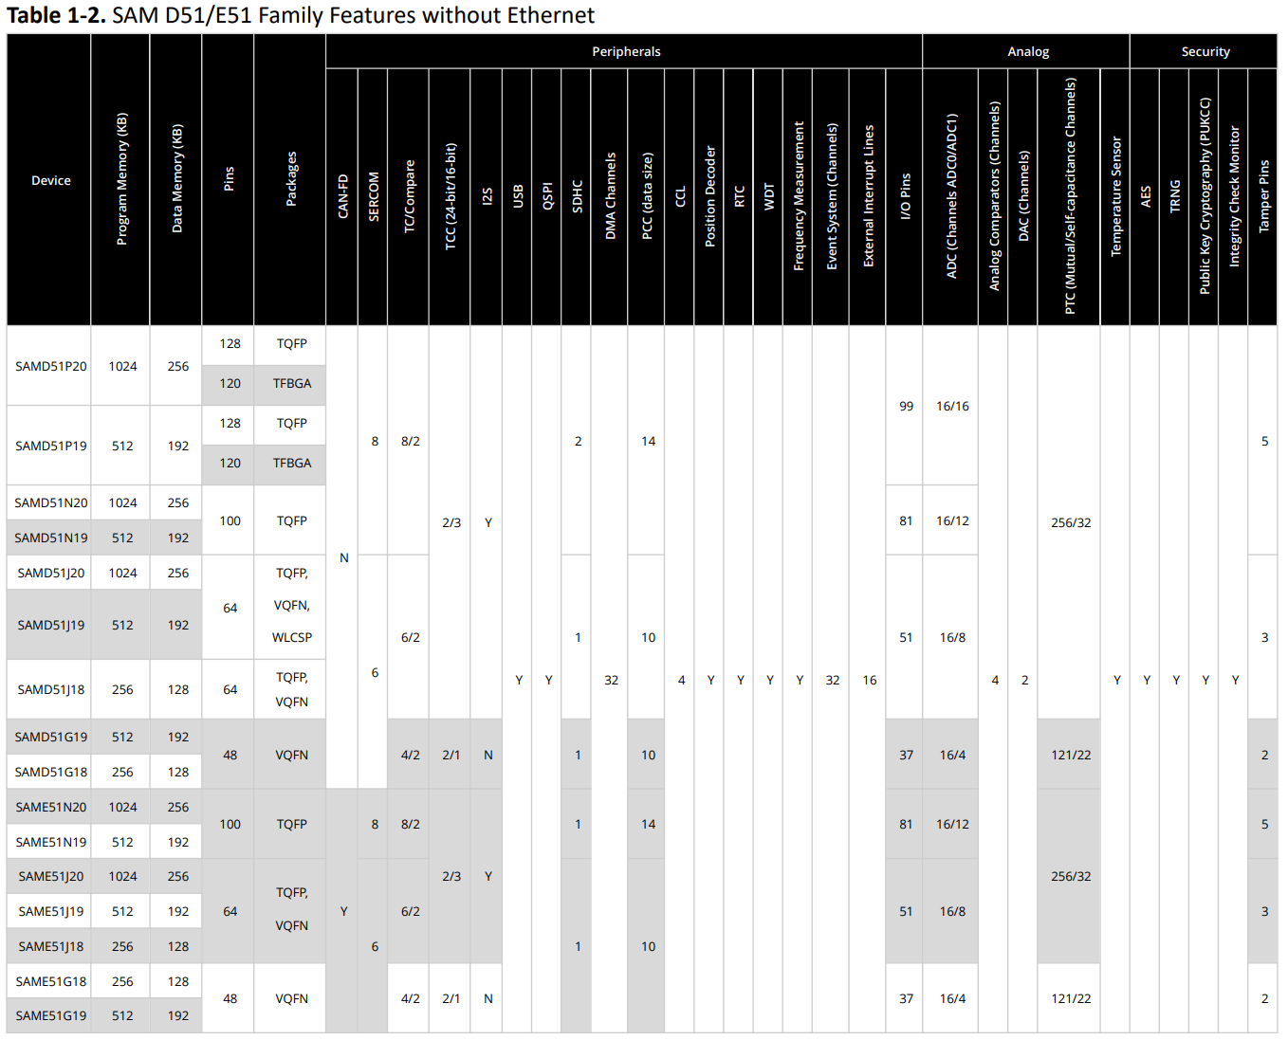
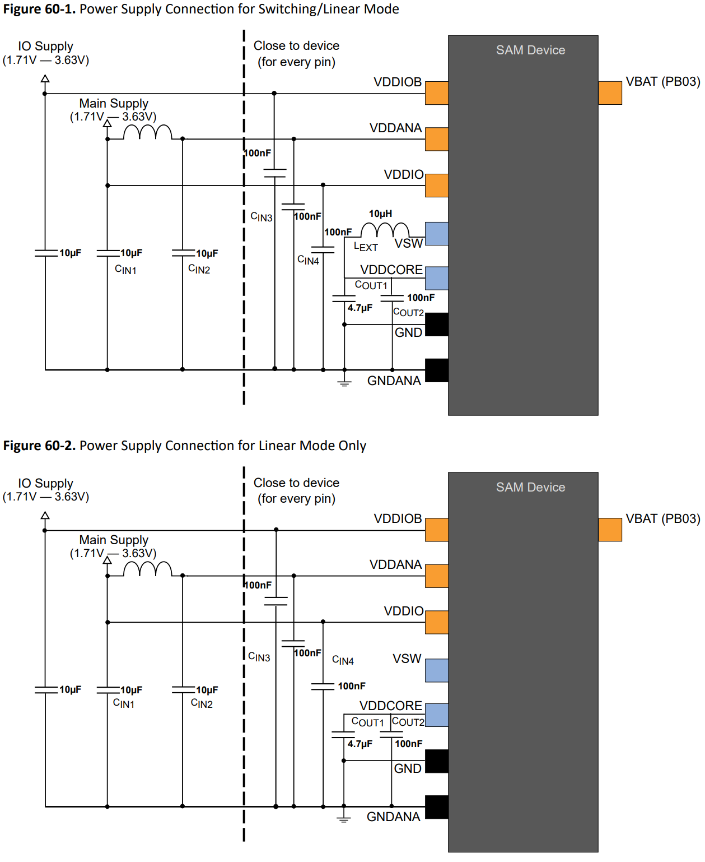
 |  |  |  |  |  |  |  |  |  |  |  |  |  |  |  |  |  |  |  |  |  |  |  |  |  |  | SPI pinout options:
 |  |  |  |  |  |  |  |  |  |  |  |  |  |  |  |  |  |  |  |  |  |  |  |  |  |  | MOSI & SCK | MISO
 |  |  |  |  |  |  |  |  |  |  |  |  |  |  |  |  |  |  |  |  |  |  |  |  |  |  | SPI_PAD_0_SCK_1 | SERCOM_RX_PAD_0
 |  |  |  |  |  |  |  |  |  |  |  |  |  |  |  |  |  |  |  |  |  |  |  |  |  |  | SPI_PAD_3_SCK_1 | SERCOM_RX_PAD_2
 |  |  |  |  |  |  |  |  |  |  |  |  |  |  |  |  |  |  |  |  |  |  |  |  |  |  |  | SERCOM_RX_PAD_3

